Vitas' instructions
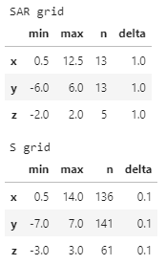
So with that in mind, here is a list of hand checking calculations that I would like you to do:
1. Pick four points on Danie's SAR calculation grid (one on antenna bore sight, and three other points off bore sight)
2. At each of these points calculate:
1. point spatial SE, SH and Smax
2. 5 point spatial average of Smax over 1.6m
3. 6 point spatial average of Smax over 1.5m
3. At each of these points calculate the ratio of the limit normalised values of the spatially averaged Smax and SARwb, i.e.: (Ssa / Slim) / (SARwb / SARlim)
4. Calculate a log-linear interpolation of WB SAR on to the S grid between two points on the SAR grid. The S and SAR grids are:

